PIVOT TABLE
Average of Income | Column Labels |  |  | Row Labels | Count of Commute Distance | Row Labels | Count of Purchased Bike
Gender | No | Yes | Grand Total | No | 52 | 25-34 | 13
Female | 81052.631579 | 115714.28571 | 95757.575758 | Yes | 33 | 35-44 | 25 | Sum of Income | Column Labels
Male | 85151.515152 | 96315.789474 | 89230.769231 | Grand Total | 85 | 45-54 | 28 | Row Labels | Clerical | Management | Professional | Skilled Manual | Grand Total |  | Count of Gender |  | Count of Gender
Grand Total | 83653.846154 | 104545.45455 | 91764.705882 |  |  | 55-64 | 16 | No |  | 1100000 | 1750000 | 140000 | 2990000 | Partial High School | 2 | Partial High School | 2
 |  |  |  |  |  | 65-74 | 3 | Yes | 20000 | 2660000 | 1660000 | 470000 | 4810000 | High School | 13 | High School | 13
 |  |  |  |  |  | Grand Total | 85 | Grand Total | 20000 | 3760000 | 3410000 | 610000 | 7800000 | Graduate Degree | 14 | Graduate Degree | 14
 |  |  |  |  |  |  |  |  |  |  |  |  |  | Partial College | 23 | Partial College | 23
 | Total
No | 58
Yes | 85
 | Clerical | Management | Manual | Professional | Skilled Manual
No | 700000 | 810000 | 450000 | 1490000 | 580000
Yes | 240000 | 530000 | 190000 | 970000 | 750000
 |  |  |  |  |  |  |  |  |  |  |  |  |  | Bachelors | 33 | Bachelors | 33
 | Total
25-34 | 55
35-44 | 54
45-54 | 25
55-64 | 7
65-74 | 2
 |  |  |  |  |  |  |  |  |  |  |  |  |  | Grand Total | 85 | Grand Total | 85
 | Total
Graduate Degree | 4
High School | 30
Bachelors | 53
Partial College | 56
 | Total
Graduate Degree | 4
High School | 30
Bachelors | 53
Partial College | 56

 |  |  |  |  | 1000

Requirements
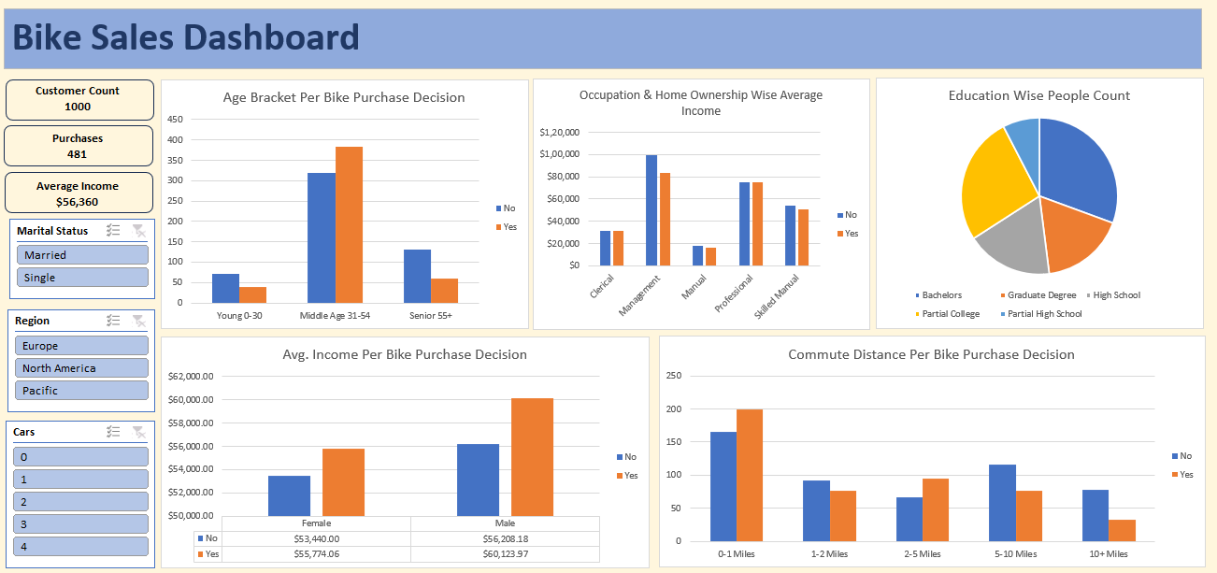

Project 3 - Bike Users Data

 | 1. Clean the data. Check for duplicate rows in the data.

 | 2. Pivot Insights
 | Generate following insights using pivot tables:
 | a) Gender wise Avg. Income Per Bike Purchase Decision.
 | b) Commute Distance Per Bike Purchase Decision.
 | c) Age Bracket Per Bike Purchase Decision.
 | d) Occupation & Home Ownership Wise Average Income.
 | e) People Count based on Education.

 | 3. Create a dashboard. Refer to the image of expected dashboard.

DASHBOARD
BIKE SALES DASHBOARD

1000
Customer Count
Gender wise Avg. Income Per Bike Purchase Decision
 | No | Yes
Female | 81052.631579 | 115714.28571
Male | 85151.515152 | 96315.789474
Commute Distance Per Bike Purchase Decision
 | Total
No | 58
Yes | 85
Age Bracket Per Bike Purchase Decision.
 | Total
25-34 | 55
35-44 | 54
45-54 | 25
55-64 | 7
65-74 | 2

481
Purchases

56376.37638
Average Income

Occupation & Home Ownership Wise Average Income.
 | Clerical | Management | Manual | Professional | Skilled Manual
No | 700000 | 810000 | 450000 | 1490000 | 580000
Yes | 240000 | 530000 | 190000 | 970000 | 750000
People Count based on Education
 | Total
Graduate Degree | 4
High School | 30
Bachelors | 53
Partial College | 56

